Sheet1
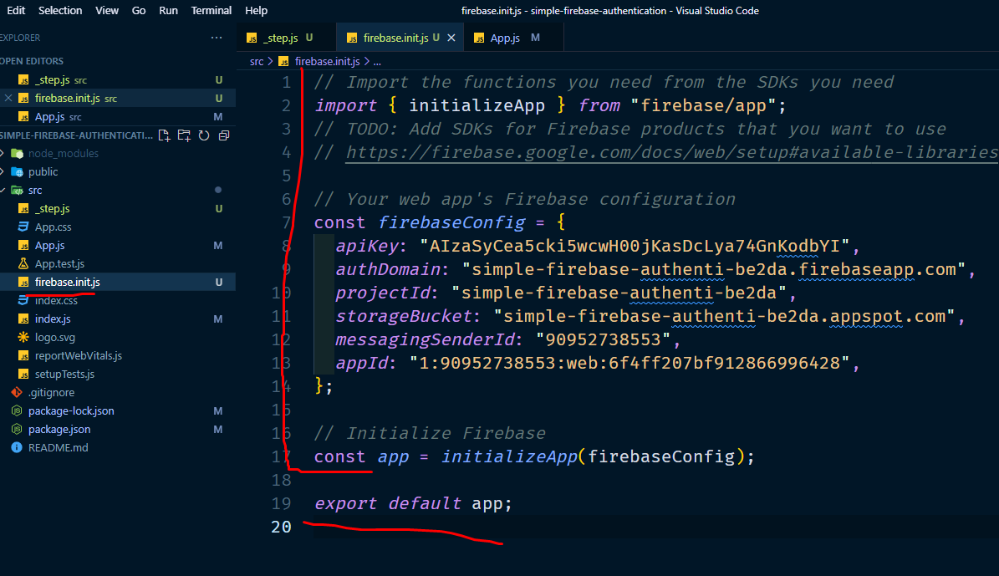
 | 4. copy firebase init with config from firebase project settings in to a file firebase.init.js

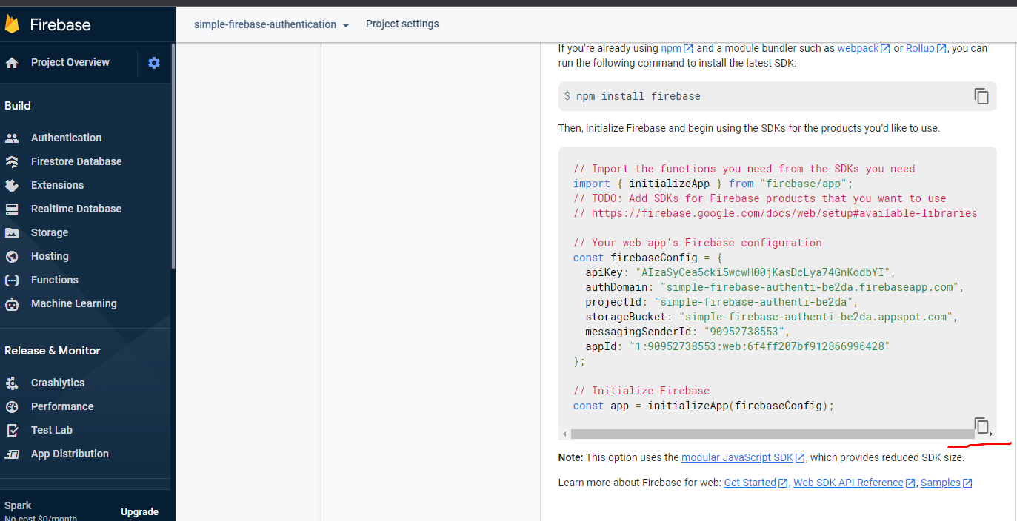

src er modde firebase.init.js name file er modde rakbo

